Risk
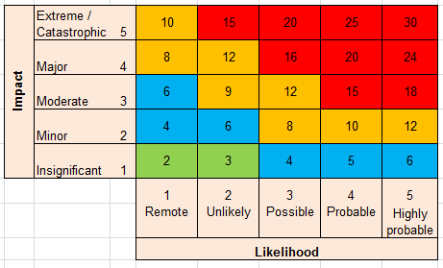
 | Risk Register |  |  |  |  |  |  |  |  |  |  |  | Last updated:
 |  | Gross risk |  |  |  | Retained risk
 | Risk Area / Identified risk | Likelihood x (see chart below) | Impact y (see chart below) | Gross Risk xy+y | Mitigation | Retained likelihood x (see chart below) | Retained impact y (see chart below) | Retained Risk xy+y | Risk Target | Risk status | Accountable person | Adaptive management / further action required | Notes
 |  | Score 1 - 5 | Score 1 - 5 | Automatic calc |  | Score 1 - 5 | Score 1 - 5 | Automatic calc |  | Decreasing Stable Increasing
ECONOMIC RISKS/CONSTRAINTS
1 |  |  |  | 0 |  |  |  | 0
2 |  |  |  | 0 |  |  |  | 0
3 |  |  |  | 0 |  |  |  | 0
4 |  |  |  | 0 |  |  |  | 0
SOCIAL RISKS/CONSTRAINTS
5 |  |  |  | 0 |  |  |  | 0
6 |  |  |  | 0 |  |  |  | 0
7 |  |  |  | 0 |  |  |  | 0
8 |  |  |  | 0 |  |  |  | 0
9 |  |  |  | 0 |  |  |  | 0
10 |  |  |  | 0 |  |  |  | 0
11 |  |  |  | 0 |  |  |  | 0
12 |  |  |  | 0 |  |  |  | 0
13 |  |  |  | 0 |  |  |  | 0
POLITICAL AND GOVERNANCE RISKS / CONSTRAINTS
14 |  |  |  | 0 |  |  |  | 0
15 |  |  |  | 0 |  |  |  | 0
16 |  |  |  | 0 |  |  |  | 0
17 |  |  |  | 0 |  |  |  | 0
18 |  |  |  | 0 |  |  |  | 0
PROJECT MANAGEMENT RISKS/CONSTRAINTS
19 |  |  |  | 0 |  |  |  | 0
20 |  |  |  | 0 |  |  |  | 0
21 |  |  |  | 0 |  |  |  | 0
22 |  |  |  | 0 |  |  |  | 0

Instructions
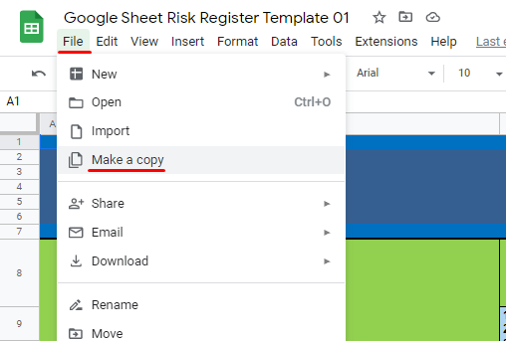
INSTRUCTIONS ON HOW TO COPY THIS TEMPLATE
PLEASE NAVIGATE TO FILE THEN CLICK ON MAKE A COPY (SEE ATTACHED IMAGE BELOW)

